OFFER
Lacoste SS2025

MINIMUM ORDER: 1.500pcs RESPECTING SIZES AND COLOR ASSORTMENT
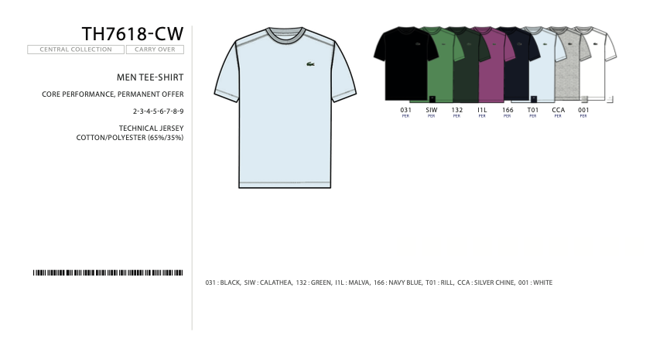
 |  |  |  | 4 | 5 | 6 | 7 |  | 4 | 5 | 6 | 7
MODEL | Model | Color | Material | M | L | XL | 2XL | Quantity | M | L | XL | 2XL | Q.TY | YOUR PRICE | RRP €
TH7618-CW | T-Shirt | 031 blk | 65% co, 35% pol | 150 | 300 | 300 | 150 | 900 |  |  |  |  | 0 | 34.00 € | 55.00 €
TH7618-CW | T-Shirt | 001 wht | 65% co, 35% pol | 150 | 300 | 300 | 150 | 900 |  |  |  |  | 0 | 34.00 € | 55.00 €
TH7618-CW | T-Shirt | 166 navy | 65% co, 35% pol | 118 | 268 | 236 | 118 | 740 |  |  |  |  | 0 | 34.00 € | 55.00 €
TH7618-CW | T-Shirt | CCA grey-silver | 65% co, 35% pol | 118 | 268 | 236 | 118 | 740 |  |  |  |  | 0 | 34.00 € | 55.00 €
TH7618-CW | T-Shirt | T01 rill | 65% co, 35% pol | 118 | 268 | 236 | 118 | 740 |  |  |  |  | 0 | 34.00 € | 55.00 €
 |  |  |  |  |  |  |  | 4,020 |  |  |  |  | 0

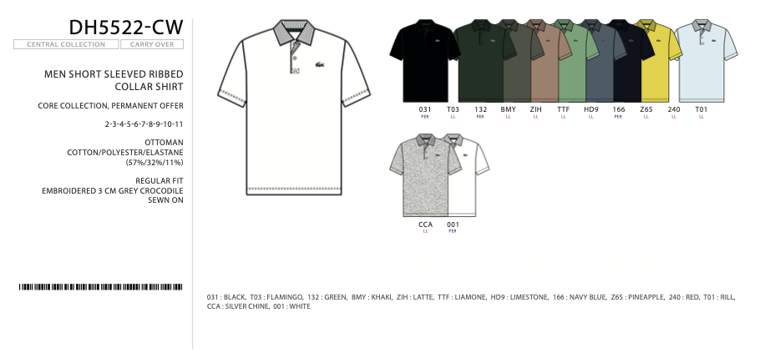
 |  |  |  | 4 | 5 | 6 | 7 |  | 4 | 5 | 6 | 7
MODEL | Model | Color | Material | M | L | XL | 2XL | Quantity | M | L | XL | 2XL | Q.TY | YOUR PRICE | RRP €
DH5522-CW | Polo | 031 blk | 57% co, 32% pol, 11% ela | 150 | 300 | 300 | 150 | 900 |  |  |  |  | 0 | 55.00 € | 90.00 €
DH5522-CW | Polo | 001 wht | 57% co, 32% pol, 11% ela | 150 | 300 | 300 | 150 | 900 |  |  |  |  | 0 | 55.00 € | 90.00 €
DH5522-CW | Polo | 166 navy | 57% co, 32% pol, 11% ela | 119 | 269 | 238 | 119 | 745 |  |  |  |  | 0 | 55.00 € | 90.00 €
DH5522-CW | Polo | CCA grey-silver | 57% co, 32% pol, 11% ela | 100 | 200 | 200 | 100 | 600 |  |  |  |  | 0 | 55.00 € | 90.00 €
DH5522-CW | Polo | T01 rill | 57% co, 32% pol, 11% ela | 69 | 169 | 138 | 69 | 445 |  |  |  |  | 0 | 55.00 € | 90.00 €
DH5522-CW | Polo | TTF liamone | 57% co, 32% pol, 11% ela | 69 | 169 | 138 | 69 | 445 |  |  |  |  | 0 | 55.00 € | 90.00 €
 |  |  |  |  |  |  |  | 4,035 |  |  |  |  | 0

